T-Shirts
T-Shirt Inventory

Note: No UPC.

Quantity: 91,218 units

Take All Price: $0.65 per unit ExWarehouse Los Angeles, CA

Note: Owner will entertain a Take All Offer.
Call for less than take all price.
Subject to change and prior.

Image | Item # | Description | Pack | Origin | # Units | UCC | Case Size | Wt | Cube | Tie | Hi
 | U3336 | By Fantasy Activewear 100 cotton T-Shirt Black size 5/6 | 72 | Mexico | 16,309 | 505 | 23" x 14" x 7" | 13 | 1.3 | 5 | 13
 | U5602 | T-Shirt 100 cotton Black size 7 | 72 | Mexico | 13,143 | 505 | 23" x 14" x 7" | 15 | 1.3 | 5 | 13
 | U3335 | Fantasy Activewear 100% cotton T-Shirt Black size 4 | 72 | Mexico | 11,435 | 505 | 23" x 14" x 7" | 16 | 1.3 | 5 | 13
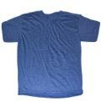 | U6245 | T-Shirt Denim HTR 50 cotton / 50 polyester size L | 96 | Mexico | 4,841 | 505 | 23" x 16" x 11" | 26 | 2.3 | 5 | 8
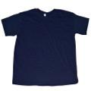 | T10321 | T-Shirt 100% cotton Navy size 5/6 | 72 | Mexico | 5,005 | 505 | 23" x 14" x 6" | 14 | 1.1 | 5 | 16
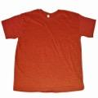 | U5517 | Teestyled T-Shirt 50 Cotton 50 Polyester Wall HTR Red size L | 72 | Mexico | 2,989 | 505 | 20" x 14" x 12" | 20 | 1.9 | 7 | 8
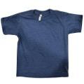 | T3118 | Teestyled T-Shirt Denim HTR 50 Cotton 50 polyester size 5/6 | 72 | Mexico | 2,959 | 505 | 24" x 14" x 6" | 13 | 1.1 | 5 | 16
 | S7151 | Teestyled T-Shirt 100% cotton Navy size S | 72 | Mexico | 3,414 | 505 | 20" x 14" x 12" | 19 | 1.9 | 7 | 8
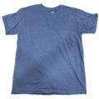 | U5503 | Teestyled T-Shirt Denim HTR 50% Cotton 50% polyester Size 7 | 72 | Mexico | 3,132 | 505 | 23" x 14" x 6" | 15 | 1.1 | 5 | 16
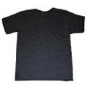 | U8405 | Teestyled T-Shirt HTR 50% Cotton 50% Polyester Charcoal size M | 120 | Mexico | 2,116 | 505 | 23" x 16" x 11" | 28 | 2.3 | 5 | 8
 | S6236 | T-Shirt 100% cotton Navy size L | 72 | Mexico | 1,378 | 505 | 20" x 14" x 12" | 20 | 1.9 | 7 | 8
 | U5418 | Teestyled 50 Cotton 50 Polyester T-Shirt Charcoal size S | 72 | Mexico | 1,389 | 505 | 19" x 14" x 12" | 17 | 1.8 | 7 | 8
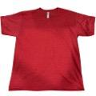 | U5420 | Teestyled T-Shirt Wall HTR 50 Cotton 50 Polyeste Red size S | 72 | Mexico | 1,207 | 505 | 19" x 14" x 11" | 17 | 1.7 | 7 | 8
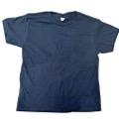 | 4003B | T-Shirt Navy 100% Cotton Size 7 | 72 | Mexico | 2,861 | 505 | 23" x 14" x 6" | 13 | 1.1 | 5 | 16
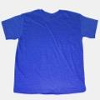 | U8119 | Teestyled 50 cotton / 50 polyester T-Shirt Wall HTR Royal size M | 120 | Mexico | 101 | 505 | 24" x 16" x 11" | 27 | 2.4 | 5 | 8
 | U1617 | Teestyled T-Shirt 100% cotton Navy size XL | 72 | Mexico | 1,653 | 505 | 20" x 14" x 12" | 21 | 1.9 | 7 | 8
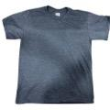 | S2308 | T-Shirt Navy HTR 50% Cotton 50% polyester size S | 72 | Mexico | 1,513 | 505 | 20" x 14" x 12" | 16 | 1.9 | 7 | 8
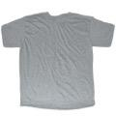 | U0901 | T-Shirt 90 cotton/ 10 polyester HTR Grey/White size 5/6 | 72 | Mexico | 1,188 | 505 | 23" x 14" x 7" | 12 | 1.3 | 5 | 13
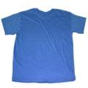 | U5002 | Teestyled T-Shirt 50 Cotton 50 polyester Light Blue size S | 72 | Mexico | 1,334 | 505 | 20" x 14" x 12" | 16 | 1.9 | 7 | 8
 | Q12222 | T-Shirt 96% Polyester 4% Other fibers Black size 4 | 72 | Mexico | 2,471 | 505 | 23" x 14" x 7" | 12 | 1.3 | 5 | 13
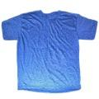 | T14444 | Teestyled T-Shirt Wall HTR 50% cotton / 50% polyester Royal size S | 72 | Mexico | 1,777 | 505 | 20" x 14" x 12" | 17 | 1.9 | 7 | 8
 | U5456 | Teestyled T-Shirt 50% Cotton 50% PolyesterCharcoal HTR size XL | 84 | Mexico | 575 | 505 | 24" x 16" x 11" | 25 | 2.4 | 5 | 8
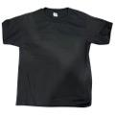 | T15649 | T-Shirt Black 100% Cotton size XS | 72 | Mexico | 1,875 | 505 | 20" x 13" x 12" | 15 | 1.8 | 7 | 8
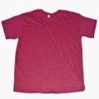 | U2611 | Teestyled T-Shirt 50% cotton / 50% polyester Crimson size XL | 72 | Mexico | 563 | 505 | 20" x 14" x 12" | 21 | 1.9 | 7 | 8
 | R13707 | T-Shirt Navy 100% cotton size XS | 72 | Mexico | 1,643 | 505 | 19" x 14" x 12" | 14 | 1.8 | 7 | 8
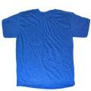 | T3105 | T-Shirt HTR 50 polyester / 50 cotton Royal Size 7 | 72 | Mexico | 929 | 505 | 23" x 14" x 7" | 15 | 1.3 |  | 13
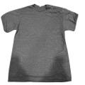 | S2045 | Teestyled T-Shirt HTR 50 Cotton 50 polyester Navy size XL | 72 | Mexico | 4 | 505 | 20" x 14" x 11" | 22 | 1.8 | 7 | 16
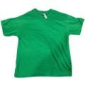 | T14435 | Teestyled T-Shirt Kelly 50 Cotton 50 Polyester Size S | 72 | Mexico | 45 | 505 | 20" x 14" x 12" | 17 | 1.9 | 7 | 8
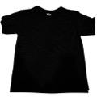 | K6995C | T-Shirt Black 100% Cotton size 6 | 72 | Mexico | 1,358 | 505 | 24" x 14" x 6" | 18 | 1.2 | 5 | 16
 | U3315 | Teestyled T-Shirt 100 cotton Black Size XL | 84 | Mexico | 71 | 505 | 23" x 16" x 11" | 28 | 2.3 | 5 | 8
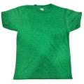 | S0831 | T-Shirt HTR Kelly 50% Cotton 50% Polyestyer sizeXS | 72 | Mexico | 182 | 505 | 19" x 14" x 11" | 15 | 1.7 | 7 | 8
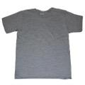 | T2813 | T-Shirt HTR 90cotton/ 10 polyester Grey/White Size 4 | 72 | Mexico | 203 | 505 | 23" x 14" x 6" | 12 | 1.1 | 5 | 16
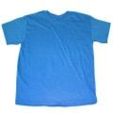 | U6020 | Teestyled T-Shirt 50% cotton 50% polyester Turquoise HTR size S | 144 | Mexico | 564 | 505 | 24" x 16" x 11" | 33 | 2.4 | 5 | 8
 | U8120 | Teestyled T-Shirt HTR 50 cotton / 50 polyester Royal size L | 72 | Mexico | 46 | 505 | 20" x 14" x 12" | 19 | 1.94 | 5 | 8
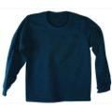 | Q6223 | Teestyled T-Shirt Navy 100% Cotton Long Sleeve size M | 72 | Mexico | 43 | 505 | 20" x 14" x 11" | 22 | 1.8 | 7 | 8
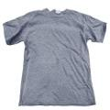 | S1743 | Teestyled T-Shirt HTR 50% Cotton 50% polyester Navy size M | 72 | Mexico | 35 | 505 | 20" x 14" x 11" | 18 | 1.8 | 7 | 8
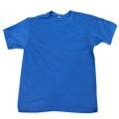 | S0514 | T-Shirt HTR Sea Blue 50 Cotton 50 Polyester Size M | 72 | Mexico | 1 | 505 | 20" x 14" x 11" | 19 | 1.8 | 7 | 8
 | S1701 | Teestyled T-Shirt 50% Cotton 50% Polyester HTR Royal Size XL | 72 | Mexico | 707 | 505 | 20" x 14" x 12" | 22 | 1.9 | 7 | 13
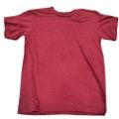 | U2640 | Teestyled T-Shirt Crimson HTR 50% Cotton 50% Polyester size M | 72 | Mexico | 33 | 505 | 20" x 14" x 11" | 20 | 1.8 | 7 | 8
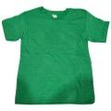 | S0840 | T-Shirt Kelly 50% Cotton 50% Polyester size 5/6 | 72 | Mexico | 126 | 505 | 24" x 14" x 6" | 12 | 1.2 | 5 | 16
 |  |  |  |  | 91,218

